Overview
Overview
This spreadsheet includes a list of all of statistical base codes in EPA's ICIS-NPDES as well as how they are used to count "Days with Exceedances."
See: | https://echo.epa.gov/help/loading-tool/reports/effluent-exceedance-report-help

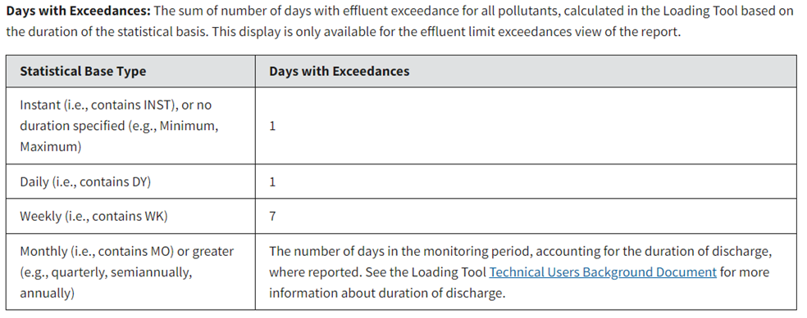

"NMBR_OF_DAYS" Counts

NMBR_OF_DAYS | Count of Statistical Base Codes
1 | 82
2 | 2
4 | 3
5 | 2
7 | 24
12 | 1
14 | 1
30 | 29
90 | 7
120 | 1
180 | 1
182 | 6
365 | 16
1825 | 1

